Sales
2022-04-01 | 4/1/2022 | 4/2/2022 | 4/3/2022 | 4/4/2022 | 4/5/2022 | 4/6/2022 | 4/7/2022 | 4/8/2022 | 4/9/2022 | 4/10/2022 | 4/11/2022 | 4/12/2022 | 4/13/2022 | 4/14/2022 | 4/15/2022 | 4/16/2022 | 4/17/2022 | 4/18/2022 | 4/19/2022 | 4/20/2022 | 4/21/2022 | 4/22/2022 | 4/23/2022 | 4/24/2022 | 4/25/2022 | 4/26/2022 | 4/27/2022 | 4/28/2022 | 4/29/2022 | 4/30/2022
 | FRI | SAT | SUN | MON | TUE | WED | THU | FRI | SAT | SUN | MON | TUE | WED | THU | FRI | SAT | SUN | MON | TUE | WED | THU | FRI | SAT | SUN | MON | TUE | WED | THU | FRI | SAT

Notes | CR popisovanje iz GA |  |  |  | Speed optimized theme live | Price increase for BB+SR for $10 & on Advanced & Pro Bundle |  | Testing Old Home vs Home-2
 |  |  |  |  |  | Added GTM tracking to checkout cross-sells |  |  |  |  | Start testing audiences outside US (TOP10 countries) |  |  | Easter Day Campaign |  |  |  |  |  |  | Garden Month Campaign
 |  |  |  |  |  |  |  |  |  |  | PR: Urban Daddy |  |  |  |  |  |  | PR: WWMT / Local CBS |  |  |  |  |  |  |  |  | Popisovanje FB številk iz Triple Whale

Shopify | $18,773.41 | $32,783.20 | $39,343.09 | $27,850.33 | $15,932.05 | $21,155.97 | $20,510.01 | $19,712.96 | $31,758.33 | $27,332.04 | $23,524.52 | $31,347.86 | $34,826.40 | $31,356.08 | $40,319.82 | $60,536.09 | $63,770.19 | $60,011.85 | $60,920.64 | $53,700.59 | $48,712.33 | $53,499.69 | $61,425.34 | $68,601.75 | $65,701.04 | $62,410.22 | $52,607.00 | $57,949.48 | $61,582.84 | $74,169.70
Total Revenue | $18,773.41 | $32,783.20 | $39,343.09 | $27,850.33 | $15,932.05 | $21,155.97 | $20,510.01 | $19,712.96 | $31,758.33 | $27,332.04 | $23,524.52 | $31,347.86 | $34,826.40 | $31,356.08 | $40,319.82 | $60,536.09 | $63,770.19 | $60,011.85 | $60,920.64 | $53,700.59 | $48,712.33 | $53,499.69 | $61,425.34 | $68,601.75 | $65,701.04 | $62,410.22 | $52,607.00 | $57,949.48 | $61,582.84 | $74,169.70
Orders | 66 | 104 | 129 | 93 | 56 | 71 | 66 | 65 | 103 | 89 | 75 | 99 | 112 | 105 | 126 | 194 | 207 | 200 | 197 | 178 | 164 | 182 | 207 | 238 | 223 | 210 | 176 | 193 | 210 | 249

FB - US & CA | $6,567.87 | $9,221.66 | $10,880.90 | $11,754.98 | $7,998.24 | $5,539.09 | $5,053.73 | $5,815.22 | $9,685.78 | $8,569.46 | $7,953.78 | $8,108.66 | $8,166.29 | $8,789.72 | $11,006.25 | $15,844.32 | $18,073.30 | $17,766.80 | $18,641.83 | $16,711.55 | $14,991.45 | $14,755.64 | $17,601.07 | $21,084.57 | $20,274.26 | $19,646.09 | $18,463.23 | $17,930.11 | $18,510.17 | $20,066.40
Google - WW | $607.57 | $853.77 | $891.80 | $694.89 | $708.97 | $710.57 | $710.55 | $739.53 | $819.16 | $783.22 | $734.01 | $628.54 | $823.04 | $748.06 | $705.86 | $817.04 | $835.48 | $748.31 | $857.02 | $762.00 | $679.63 | $704.53 | $740.74 | $710.68 | $629.87 | $682.50 | $748.42 | $765.62 | $829.69 | $696.68
Bing - WW | $38.95 | $82.46 | $70.59 | $29.84 | $21.56 | $8.92 | $10.27 | $10.72 | $17.25 | $8.88 | $22.28 | $11.35 | $14.99 | $14.89 | $14.39 | $17.21 | $15.89 | $32.79 | $60.07 | $40.96 | $28.28 | $46.60 | $43.46 | $34.09 | $46.04 | $61.72 | $39.84 | $48.63 | $34.17 | $30.47
FB - Backerkit - US | $343.51 | $376.04 | $332.02 | $280.47 | $0.00 | $0.00 | $0.00 | $0.00 | $0.00 | $0.00 | $0.00 | $0.00 | $57.50 | $416.53 | $454.59 | $471.64 | $309.24 | $299.66 | $298.19 | $488.21 | $649.28 | $638.93 | $646.87 | $675.27 | $659.18 | $654.82 | $650.00 | $650.00 | $750.00 | $850.00
Affiliate Fees - US |  |  |  |  |  |  |  |  |  |  |  |  |  | $179.97 | $47.18 | $93.60 | $228.82 | $376.30 | $252.81 | $66.20 | $236.20 | $213.35 | $48.47 | $301.49 | $258.19 | $400.44 | $280.37 | $328.91 | $441.30 | $290.99
Total Spend | $7,557.90 | $10,533.93 | $12,175.31 | $12,760.18 | $8,728.77 | $6,258.58 | $5,774.55 | $6,565.47 | $10,522.19 | $9,361.56 | $8,710.07 | $8,748.55 | $9,061.82 | $10,149.17 | $12,228.27 | $17,243.81 | $19,462.73 | $19,223.86 | $20,109.92 | $18,068.92 | $16,584.84 | $16,359.05 | $19,080.61 | $22,806.10 | $21,867.54 | $21,445.57 | $20,181.86 | $19,723.27 | $20,565.33 | $21,934.54

ROAS | 2.48 | 3.11 | 3.23 | 2.18 | 1.83 | 3.38 | 3.55 | 3.00 | 3.02 | 2.92 | 2.70 | 3.58 | 3.84 | 3.09 | 3.30 | 3.51 | 3.28 | 3.12 | 3.03 | 2.97 | 2.94 | 3.27 | 3.22 | 3.01 | 3.00 | 2.91 | 2.61 | 2.94 | 2.99 | 3.38
CAC | $114.51 | $101.29 | $94.38 | $137.21 | $155.87 | $88.15 | $87.49 | $101.01 | $102.16 | $105.19 | $116.13 | $88.37 | $80.91 | $96.66 | $97.05 | $88.89 | $94.02 | $96.12 | $102.08 | $101.51 | $101.13 | $89.88 | $92.18 | $95.82 | $98.06 | $102.12 | $114.67 | $102.19 | $97.93 | $88.09
CR | 1.01% | 1.37% | 1.09% | 0.95% | 0.69% | 1.06% | 0.88% | 0.71% | 0.82% | 0.82% | 0.63% | 0.82% | 0.86% | 0.81% | 0.86% | 0.95% | 0.88% | 0.82% | 0.84% | 0.88% | 0.95% | 1.01% | 0.93% | 0.96% | 0.95% | 0.96% | 0.95% | 1.10% | 1.09% | 1.06%
AOV | $284.45 | $315.22 | $304.99 | $299.47 | $284.50 | $297.97 | $310.76 | $303.28 | $308.33 | $307.10 | $313.66 | $316.65 | $310.95 | $298.63 | $320.00 | $312.04 | $308.07 | $300.06 | $309.24 | $301.69 | $297.03 | $293.95 | $296.74 | $288.24 | $294.62 | $297.19 | $298.90 | $300.26 | $293.25 | $297.87

Post-purchase Survey
Facebook / Instagram | 56.52% | 71.79% | 68.52% | 75.76% | 57.89% | 63.33% | 70.37% | 64.00% | 66.67% | 62.16% | 57.14% | 82.50% | 81.40% | 75.56% | 75.51% | 84.52% | 85.11% | 81.11% | 78.89% | 79.17% | 84.06% | 76.92% | 79.17% | 85.95% | 90.53% | 84.09% | 82.93% | 78.67% | 80.23% | 80.18%
Friends / Family | 17.39% | 7.69% | 5.56% | 12.12% | 15.79% | 16.67% | 18.52% | 20.00% | 14.29% | 18.92% | 10.71% | 5.00% | 6.98% | 11.11% | 8.16% | 7.14% | 7.45% | 6.67% | 10.00% | 11.11% | 7.25% | 14.10% | 13.89% | 4.13% | 4.21% | 5.68% | 6.10% | 16.00% | 12.79% | 11.71%
Google, Yahoo, Bing | 8.70% | 0.00% | 11.11% | 3.03% | 5.26% | 13.33% | 3.70% | 4.00% | 9.52% | 8.11% | 7.14% | 2.50% | 0.00% | 2.22% | 6.12% | 3.57% | 4.26% | 3.33% | 4.44% | 2.78% | 1.45% | 2.56% | 2.78% | 5.79% | 3.16% | 4.55% | 4.88% | 0.00% | 2.33% | 2.70%
Pinterest | 0.00% | 0.00% | 0.00% | 0.00% | 0.00% | 0.00% | 0.00% | 4.00% | 0.00% | 0.00% | 0.00% | 0.00% | 0.00% | 0.00% | 0.00% | 1.19% | 0.00% | 1.11% | 0.00% | 0.00% | 0.00% | 0.00% | 0.00% | 0.00% | 0.00% | 1.14% | 0.00% | 1.33% | 1.16% | 0.90%
TikTok | 0.00% | 7.69% | 0.00% | 0.00% | 10.53% | 0.00% | 3.70% | 0.00% | 2.38% | 0.00% | 0.00% | 2.50% | 0.00% | 2.22% | 4.08% | 0.00% | 1.06% | 1.11% | 1.11% | 4.17% | 2.90% | 5.13% | 0.00% | 0.83% | 1.05% | 2.27% | 0.00% | 1.33% | 0.00% | 1.80%
TV / Radio | 8.70% | 0.00% | 1.85% | 0.00% | 0.00% | 0.00% | 0.00% | 4.00% | 4.76% | 0.00% | 0.00% | 0.00% | 6.98% | 2.22% | 2.04% | 1.19% | 0.00% | 2.22% | 1.11% | 1.39% | 0.00% | 0.00% | 0.00% | 1.65% | 0.00% | 1.14% | 2.44% | 1.33% | 2.33% | 0.00%
Blog / Article | 8.70% | 12.82% | 12.96% | 9.09% | 10.53% | 6.67% | 3.70% | 4.00% | 2.38% | 10.81% | 25.00% | 7.50% | 4.65% | 6.67% | 4.08% | 2.83% | 2.13% | 4.44% | 4.44% | 1.39% | 4.35% | 1.28% | 4.17% | 1.65% | 1.05% | 1.14% | 3.66% | 1.33% | 1.16% | 2.70%

 | 2022-04-01 | Goal | % of Goal
Revenue | $1,322,124.82 | $1,000,000 | 132.21%
Spend | $433,794.29
ROAS | 3.05
CAC | $98.88
CR | 0.92%
AOV | $301.37
Orders | 4387
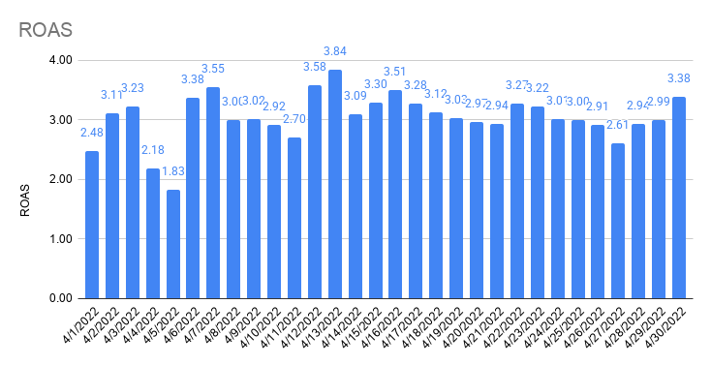
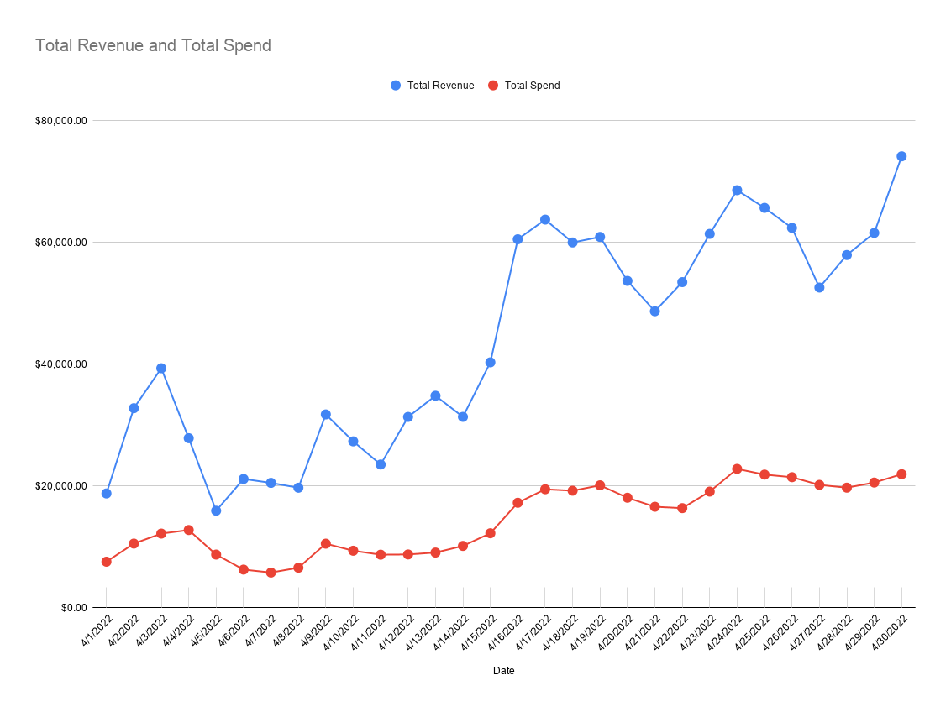

Total Revenue and Total Spend

Attribution
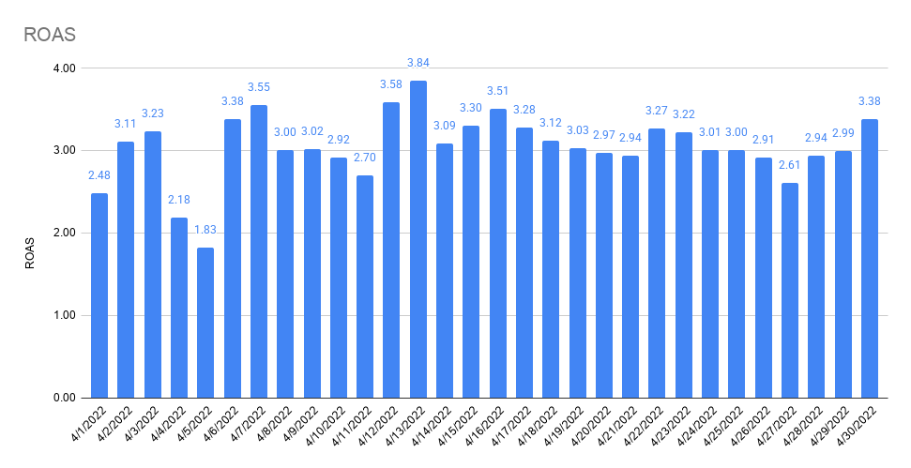
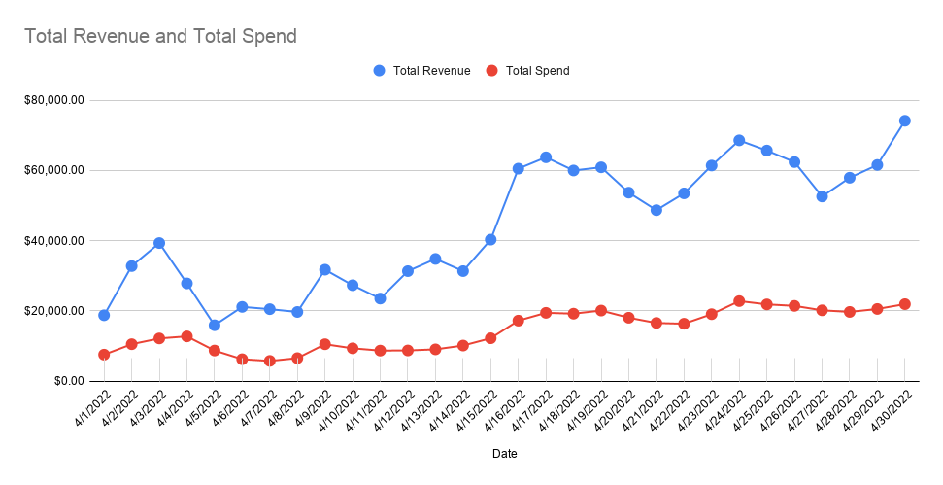
 | 4/1/2022 | 4/2/2022 | 4/3/2022 | 4/4/2022 | 4/5/2022 | 4/6/2022 | 4/7/2022 | 4/8/2022 | 4/9/2022 | 4/10/2022 | 4/11/2022 | 4/12/2022 | 4/13/2022 | 4/14/2022 | 4/15/2022 | 4/16/2022 | 4/17/2022 | 4/18/2022 | 4/19/2022 | 4/20/2022 | 4/21/2022 | 4/22/2022 | 4/23/2022 | 4/24/2022 | 4/25/2022 | 4/26/2022 | 4/27/2022 | 4/28/2022 | 4/29/2022 | 4/30/2022
 | FRI | SAT | SUN | MON | TUE | WED | THU | FRI | SAT | SUN | MON | TUE | WED | THU | FRI | SAT | SUN | MON | TUE | WED | THU | FRI | SAT | SUN | MON | TUE | WED | THU | FRI | SAT
FB Orders | 27 | 40 | 34 | 56 | 43 | 40 | 25 | 30 | 31 | 40 | 45 | 43 | 43 | 60 | 53 | 52 | 112 | 144 | 104 | 118 | 98 | 95 | 104 | 95 | 150 | 121 | 114 | 82 | 89 | 118
All Orders | 66 | 104 | 129 | 93 | 56 | 71 | 66 | 65 | 103 | 89 | 75 | 99 | 112 | 105 | 126 | 194 | 207 | 200 | 197 | 178 | 164 | 182 | 207 | 238 | 223 | 210 | 176 | 193 | 210 | 249
% Attributed to FB (Ads Manager) | 41% | 38% | 26% | 60% | 77% | 56% | 38% | 46% | 30% | 45% | 60% | 43% | 38% | 57% | 42% | 27% | 54% | 72% | 53% | 66% | 60% | 52% | 50% | 40% | 67% | 58% | 65% | 42% | 42% | 47%

Attribution

Notes

FB Orders (Shopify) | 27 | 40 | 34 | 56 | 43 | 40 | 25 | 30 | 31 | 40 | 45 | 43 | 43 | 60 | 53 | 52 | 112 | 144 | 104 | 118 | 98 | 95 | 104 | 95 | 150 | 121 | 114 | 82 | 89 | 118

FB Offline Conversions (Shopify) | 0 | 0 | 0 | 0 | 0 | 0 | 0 | 0 | 0 | 0 | 0 | 0 | 0 | 0 | 0 | 0 | 0 | 0 | 0 | 0 | 0 | 0 | 0 | 0 | 0 | 0 | 0 | 0 | 0 | 0
% difference | 0.00% | 0.00% | 0.00% | 0.00% | 0.00% | 0.00% | 0.00% | 0.00% | 0.00% | 0.00% | 0.00% | 0.00% | 0.00% | 0.00% | 0.00% | 0.00% | 0.00% | 0.00% | 0.00% | 0.00% | 0.00% | 0.00% | 0.00% | 0.00% | 0.00% | 0.00% | 0.00% | 0.00% | 0.00% | 0.00%

GA (UTM: fb-paid) Orders (Shopify) | 16 | 39 | 40 | 39 | 18 | 24 | 19 | 17 | 45 | 32 | 27 | 51 | 56 | 37 | 59 | 100 | 107 | 90 | 88 | 88 | 67 | 75 | 91 | 118 | 108 | 80 | 67 | 92 | 78 | 108
% difference | 59.26% | 97.50% | 117.65% | 69.64% | 41.86% | 60.00% | 76.00% | 56.67% | 145.16% | 80.00% | 60.00% | 118.60% | 130.23% | 61.67% | 111.32% | 192.31% | 95.54% | 62.50% | 84.62% | 74.58% | 68.37% | 78.95% | 87.50% | 124.21% | 72.00% | 66.12% | 58.77% | 112.20% | 87.64% | 91.53%

Social Orders (Shopify) | 21 | 43 | 53 | 44 | 17 | 18 | 22 | 13 | 25 | 11 | 21 | 48 | 50 | 32 | 44 | 63 | 65 | 54 | 67 | 67 | 51 | 44 | 68 | 76 | 68 | 42 | 40 | 61 | 55 | 67
% difference | 77.78% | 107.50% | 155.88% | 78.57% | 39.53% | 45.00% | 88.00% | 43.33% | 80.65% | 27.50% | 46.67% | 111.63% | 116.28% | 53.33% | 83.02% | 121.15% | 58.04% | 37.50% | 64.42% | 56.78% | 52.04% | 46.32% | 65.38% | 80.00% | 45.33% | 34.71% | 35.09% | 74.39% | 61.80% | 56.78%

Shopify (All) | 66 | 104 | 129 | 93 | 56 | 71 | 66 | 65 | 103 | 89 | 75 | 99 | 112 | 105 | 126 | 194 | 207 | 200 | 197 | 178 | 164 | 182 | 207 | 238 | 223 | 210 | 176 | 193 | 210 | 249

GA (Shopify) | 59 | 98 | 117 | 90 | 53 | 67 | 60 | 59 | 94 | 80 | 70 | 98 | 105 | 98 | 115 | 183 | 200 | 188 | 183 | 169 | 156 | 177 | 192 | 233 | 205 | 194 | 169 | 183 | 198 | 233
% difference | 89.39% | 94.23% | 90.70% | 96.77% | 94.64% | 94.37% | 90.91% | 90.77% | 91.26% | 89.89% | 93.33% | 98.99% | 93.75% | 93.33% | 91.27% | 94.33% | 96.62% | 94.00% | 92.89% | 94.94% | 95.12% | 97.25% | 92.75% | 97.90% | 91.93% | 92.38% | 96.02% | 94.82% | 94.29% | 93.57%

PP Survey (All) Order Views | 82 | 101 | 132 | 126 | 69 | 79 | 77 | 72 | 111 | 97 | 157 | 125 | 160 | 130 | 136 | 207 | 216 | 219 | 204 | 195 | 172 | 189 | 216 | 237 | 239 | 217 | 196 | 201 | 258 | 243
% difference | 124.24% | 97.12% | 102.33% | 135.48% | 123.21% | 111.27% | 116.67% | 110.77% | 107.77% | 108.99% | 209.33% | 126.26% | 142.86% | 123.81% | 107.94% | 106.70% | 104.35% | 109.50% | 103.55% | 109.55% | 104.88% | 103.85% | 104.35% | 99.58% | 107.17% | 103.33% | 111.36% | 104.15% | 122.86% | 97.59%

Facebook Attribution
Conversion value by channel |  |  |  |  |  |  |  |  |  |  |  |  |  |  |  |  |  |  |  |  |  |  |  |  |  | 30,619.72 | 29,666.87 | 22,922.41 | 22,286.27 | 31,285.28
FB CV | $6,685.77 | $9,412.59 | $9,885.85 | $18,203.22 | $11,074.12 | $6,736.42 | $6,765.09 | $7,976.70 | $8,674.64 | $9,781.99 | $11,464.22 | $11,876.06 | $11,772.43 | $16,447.88 | $15,144.83 | $14,567.75 | $31,030.19 | $40,369.53 | $28,794.25 | $34,031.72 | $27,523.92 | $25,206.82 | $25,663.78 | $25,084.84 | $38,465.05 | $35,349.24 | $34,249.21 | $26,463.01 | $25,728.61 | $36,117.60
GA UTM CV | $5,159.58 | $12,360.39 | $12,620.97 | $11,166.43 | $5,060.57 | $7,676.82 | $6,176.73 | $5,083.95 | $13,239.02 | $10,023.15 | $8,573.07 | $16,712.04 | $17,791.30 | $11,232.84 | $18,932.87 | $31,058.05 | $33,178.56 | $27,526.51 | $26,331.29 | $27,500.36 | $19,860.70 | $22,036.36 | $26,325.73 | $34,512.36 | $31,365.71 | $23,969.36 | $20,108.74 | $28,174.47 | $22,647.89 | $31,422.39
TW CV | $9,402.97 | $17,110.92 | $20,531.52 | $15,306.28 | $7,280.76 | $9,778.08 | $10,093.49 | $8,452.26 | $18,091.41 | $13,707.70 | $11,335.98 | $19,215.54 | $21,370.54 | $17,905.49 | $24,269.04 | $40,517.98 | $42,858.50 | $39,955.71 | $36,820.04 | $32,081.48 | $29,431.13 | $31,798.63 | $36,732.18 | $43,549.27 | $39,965.89 | $34,978.40 | $29,961.69 | $36,586.58 | $31,904.54 | $43,059.81
Overall CV | $18,773.41 | $32,783.20 | $39,343.09 | $27,850.33 | $15,932.05 | $21,155.97 | $20,510.01 | $19,712.96 | $31,758.33 | $27,332.04 | $23,524.52 | $31,347.86 | $34,826.40 | $31,356.08 | $40,319.82 | $60,536.09 | $63,770.19 | $60,011.85 | $60,920.64 | $53,700.59 | $48,712.33 | $53,499.69 | $61,425.34 | $68,601.75 | $65,701.04 | $62,410.22 | $52,607.00 | $57,949.48 | $61,582.84 | $74,169.70

Orders by channel
FB OR | 27 | 40 | 34 | 56 | 43 | 40 | 25 | 30 | 31 | 40 | 45 | 43 | 43 | 60 | 53 | 52 | 112 | 144 | 104 | 118 | 98 | 95 | 104 | 95 | 150 | 121 | 115 | 83 | 89 | 121
GA UTM OR | 16 | 39 | 40 | 39 | 18 | 24 | 19 | 17 | 45 | 32 | 27 | 51 | 56 | 37 | 59 | 100 | 107 | 90 | 88 | 88 | 67 | 75 | 91 | 118 | 108 | 80 | 67 | 92 | 78 | 108
TW OR | 28 | 53 | 64 | 51 | 23 | 29 | 30 | 27 | 57 | 42 | 33 | 57 | 63 | 56 | 74 | 128 | 136 | 129 | 108 | 103 | 93 | 102 | 120 | 143 | 130 | 111 | 96 | 116 | 105 | 143
Overall OR | 66 | 104 | 129 | 93 | 56 | 71 | 66 | 65 | 103 | 89 | 75 | 99 | 112 | 105 | 126 | 194 | 207 | 200 | 197 | 178 | 164 | 182 | 207 | 238 | 223 | 210 | 176 | 193 | 210 | 249

Attribution % by channel (CV) | 4/1/2022 | 4/2/2022 | 4/3/2022 | 4/4/2022 | 4/5/2022 | 4/6/2022 | 4/7/2022 | 4/8/2022 | 4/9/2022 | 4/10/2022 | 4/11/2022 | 4/12/2022 | 4/13/2022 | 4/14/2022 | 4/15/2022 | 4/16/2022 | 4/17/2022 | 4/18/2022 | 4/19/2022 | 4/20/2022 | 4/21/2022 | 4/22/2022 | 4/23/2022 | 4/24/2022 | 4/25/2022 | 4/26/2022 | 4/27/2022 | 4/28/2022 | 4/29/2022 | 4/30/2022
Difference FB / Overall | 35.61% | 28.71% | 25.13% | 65.36% | 69.51% | 31.84% | 32.98% | 40.46% | 27.31% | 35.79% | 48.73% | 37.88% | 33.80% | 52.46% | 37.56% | 24.06% | 48.66% | 67.27% | 47.27% | 63.37% | 56.50% | 47.12% | 41.78% | 36.57% | 58.55% | 56.64% | 65.10% | 45.67% | 41.78% | 48.70%
Difference GA UTM / Overall | 27.48% | 37.70% | 32.08% | 40.09% | 31.76% | 36.29% | 30.12% | 25.79% | 41.69% | 36.67% | 36.44% | 53.31% | 51.09% | 35.82% | 46.96% | 51.31% | 52.03% | 45.87% | 43.22% | 51.21% | 40.77% | 41.19% | 42.86% | 50.31% | 47.74% | 38.41% | 38.22% | 48.62% | 36.78% | 42.37%
Difference TW / Overall | 50.09% | 52.19% | 52.19% | 54.96% | 45.70% | 46.22% | 49.21% | 42.88% | 56.97% | 50.15% | 48.19% | 61.30% | 61.36% | 57.10% | 60.19% | 66.93% | 67.21% | 66.58% | 60.44% | 59.74% | 60.42% | 59.44% | 59.80% | 63.48% | 60.83% | 56.05% | 56.95% | 63.14% | 51.81% | 58.06%

Attribution % by channel (OR) | 4/1/2022 | 4/2/2022 | 4/3/2022 | 4/4/2022 | 4/5/2022 | 4/6/2022 | 4/7/2022 | 4/8/2022 | 4/9/2022 | 4/10/2022 | 4/11/2022 | 4/12/2022 | 4/13/2022 | 4/14/2022 | 4/15/2022 | 4/16/2022 | 4/17/2022 | 4/18/2022 | 4/19/2022 | 4/20/2022 | 4/21/2022 | 4/22/2022 | 4/23/2022 | 4/24/2022 | 4/25/2022 | 4/26/2022 | 4/27/2022 | 4/28/2022 | 4/29/2022 | 4/30/2022
Difference FB / Overall | 40.91% | 38.46% | 26.36% | 60.22% | 76.79% | 56.34% | 37.88% | 46.15% | 30.10% | 44.94% | 60.00% | 43.43% | 38.39% | 57.14% | 42.06% | 26.80% | 54.11% | 72.00% | 52.79% | 66.29% | 59.76% | 52.20% | 50.24% | 39.92% | 67.26% | 57.62% | 65.34% | 43.01% | 42.38% | 48.59%
Difference GA UTM / Overall | 24.24% | 37.50% | 31.01% | 41.94% | 32.14% | 33.80% | 28.79% | 26.15% | 43.69% | 35.96% | 36.00% | 51.52% | 50.00% | 35.24% | 46.83% | 51.55% | 51.69% | 45.00% | 44.67% | 49.44% | 40.85% | 41.21% | 43.96% | 49.58% | 48.43% | 38.10% | 38.07% | 47.67% | 37.14% | 43.37%
Difference TW / Overall | 42.42% | 50.96% | 49.61% | 54.84% | 41.07% | 40.85% | 45.45% | 41.54% | 55.34% | 47.19% | 44.00% | 57.58% | 56.25% | 53.33% | 58.73% | 65.98% | 65.70% | 64.50% | 54.82% | 57.87% | 56.71% | 56.04% | 57.97% | 60.08% | 58.30% | 52.86% | 54.55% | 60.10% | 50.00% | 57.43%

ROAS by channel | 4/1/2022 | 4/2/2022 | 4/3/2022 | 4/4/2022 | 4/5/2022 | 4/6/2022 | 4/7/2022 | 4/8/2022 | 4/9/2022 | 4/10/2022 | 4/11/2022 | 4/12/2022 | 4/13/2022 | 4/14/2022 | 4/15/2022 | 4/16/2022 | 4/17/2022 | 4/18/2022 | 4/19/2022 | 4/20/2022 | 4/21/2022 | 4/22/2022 | 4/23/2022 | 4/24/2022 | 4/25/2022 | 4/26/2022 | 4/27/2022 | 4/28/2022 | 4/29/2022 | 4/30/2022
FB ROAS | 1.02 | 1.02 | 0.91 | 1.55 | 1.38 | 1.22 | 1.34 | 1.37 | 0.90 | 1.14 | 1.44 | 1.46 | 1.44 | 1.87 | 1.38 | 0.92 | 1.72 | 2.27 | 1.54 | 2.04 | 1.84 | 1.71 | 1.46 | 1.19 | 1.90 | 1.80 | 1.85 | 1.48 | 1.39 | 1.80
GA UTM ROAS | 0.79 | 1.34 | 1.16 | 0.95 | 0.63 | 1.39 | 1.22 | 0.87 | 1.37 | 1.17 | 1.08 | 2.06 | 2.18 | 1.28 | 1.72 | 1.96 | 1.84 | 1.55 | 1.41 | 1.65 | 1.32 | 1.49 | 1.50 | 1.64 | 1.55 | 1.22 | 1.09 | 1.57 | 1.22 | 1.57
TW ROAS | 1.43 | 1.86 | 1.89 | 1.30 | 0.91 | 1.77 | 2.00 | 1.45 | 1.87 | 1.60 | 1.43 | 2.37 | 2.62 | 2.04 | 2.21 | 2.56 | 2.37 | 2.25 | 1.98 | 1.92 | 1.96 | 2.16 | 2.09 | 2.07 | 1.97 | 1.78 | 1.62 | 2.04 | 1.72 | 2.15
Overall ROAS | 2.48 | 3.11 | 3.23 | 2.18 | 1.83 | 3.38 | 3.55 | 3.00 | 3.02 | 2.92 | 2.70 | 3.58 | 3.84 | 3.09 | 3.30 | 3.51 | 3.28 | 3.12 | 3.03 | 2.97 | 2.94 | 3.27 | 3.22 | 3.01 | 3.00 | 2.91 | 2.61 | 2.94 | 2.99 | 3.38

CAC by channel | 4/1/2022 | 4/2/2022 | 4/3/2022 | 4/4/2022 | 4/5/2022 | 4/6/2022 | 4/7/2022 | 4/8/2022 | 4/9/2022 | 4/10/2022 | 4/11/2022 | 4/12/2022 | 4/13/2022 | 4/14/2022 | 4/15/2022 | 4/16/2022 | 4/17/2022 | 4/18/2022 | 4/19/2022 | 4/20/2022 | 4/21/2022 | 4/22/2022 | 4/23/2022 | 4/24/2022 | 4/25/2022 | 4/26/2022 | 4/27/2022 | 4/28/2022 | 4/29/2022 | 4/30/2022
FB CAC | $243.25 | $230.54 | $320.03 | $209.91 | $186.01 | $138.48 | $202.15 | $193.84 | $312.44 | $214.24 | $176.75 | $188.57 | $189.91 | $146.50 | $207.67 | $304.70 | $161.37 | $123.38 | $179.25 | $141.62 | $152.97 | $155.32 | $169.24 | $221.94 | $135.16 | $162.36 | $160.55 | $216.03 | $207.98 | $165.84
GA UTM CAC | $410.49 | $236.45 | $272.02 | $301.41 | $444.35 | $230.80 | $265.99 | $342.07 | $215.24 | $267.80 | $294.58 | $158.99 | $145.83 | $237.56 | $186.55 | $158.44 | $168.91 | $197.41 | $211.84 | $189.90 | $223.75 | $196.74 | $193.42 | $178.68 | $187.72 | $245.58 | $275.57 | $194.89 | $237.31 | $185.80
TW CAC | $234.57 | $173.99 | $170.01 | $230.49 | $347.75 | $191.00 | $168.46 | $215.38 | $169.93 | $204.03 | $241.02 | $142.26 | $129.62 | $156.96 | $148.73 | $123.78 | $132.89 | $137.73 | $172.61 | $162.25 | $161.20 | $144.66 | $146.68 | $147.44 | $155.96 | $176.99 | $192.33 | $154.57 | $176.29 | $140.32
Overall CAC | $114.51 | $101.29 | $94.38 | $137.21 | $155.87 | $88.15 | $87.49 | $101.01 | $102.16 | $105.19 | $116.13 | $88.37 | $80.91 | $96.66 | $97.05 | $88.89 | $94.02 | $96.12 | $102.08 | $101.51 | $101.13 | $89.88 | $92.18 | $95.82 | $98.06 | $102.12 | $114.67 | $102.19 | $97.93 | $88.09

ROAS by channel
CAC by channel

Attribution % by channel (CV)
Attribution % by channel (OR)

